Retention overview
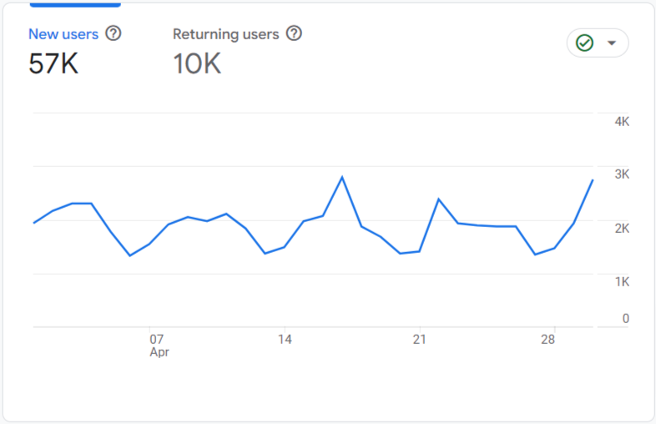
Id | Channel_Group | Users | Sessions | Engaged_sessions | Week_1_Returning_users | W1_RETENTION | Week_2_Returning_users | W2_RETENTION | Week_3_Returning_users | W3_RETENTION | Week_4_Returning_users | W4_RETENTION
1 | Direct | 49150 | 75555 | 28759 | 18708 | 0.3806 | 14031 | 0.2855 | 7016 | 0.1427 | 2105 | 0.0428
2 | Organic Search | 7955 | 10903 | 7040 | 5136 | 0.6457 | 3852 | 0.4843 | 1926 | 0.2421 | 578 | 0.0726
3 | Referral | 2120 | 2595 | 1890 | 1544 | 0.7283 | 1158 | 0.5462 | 579 | 0.2731 | 174 | 0.0819
4 | Paid Search | 1853 | 1760 | 0 | 0 | 0.0000 | 0 | 0.0000 | 0 | 0.0000 | 0 | 0.0000
5 | Organic Social | 681 | 883 | 233 | 180 | 0.2639 | 135 | 0.1979 | 67 | 0.0990 | 20 | 0.0297
6 | Organic Shopping | 440 | 488 | 301 | 271 | 0.6168 | 204 | 0.4626 | 102 | 0.2313 | 31 | 0.0694
7 | Organic Video | 98 | 110 | 106 | 94 | 0.9636 | 71 | 0.7227 | 35 | 0.3614 | 11 | 0.1084
8 | Cross-network | 13 | 14 | 1 | 1 | 0.0714 | 1 | 0.0536 | 0 | 0.0268 | 0 | 0.0080
9 | Email | 6 | 6 | 0 | 0 | 0.0000 | 0 | 0.0000 | 0 | 0.0000 | 0 | 0.0000

 | Note: CTR, CPC, ROI & Conversion Rate Formula in the Solution Approach Doc

